BOILER SYSTEM SIZING (APTS.)
Boiler System Sizing (2015 ASHRAE HANDBOOK)

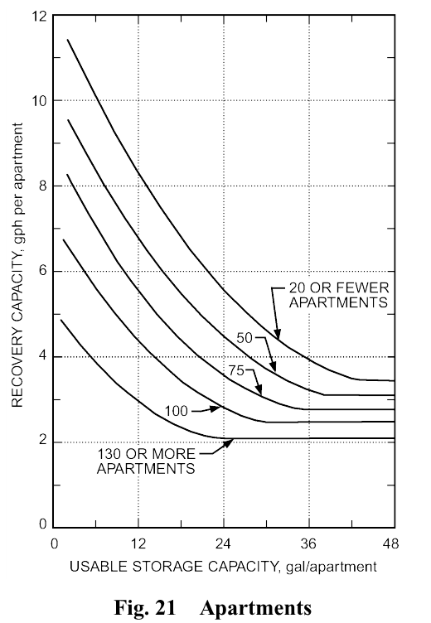
 |  |  |  |  |  |  | 130 or more Apts. |  | 100 Apts. |  | 75 Apts. |  | 50 Apts. |  | 20 or fewer Apts.
 |  |  |  |  |  |  | Storage Capacity | Recovery Capacity | Storage Capacity | Recovery Capacity | Storage Capacity | Recovery Capacity | Storage Capacity | Recovery Capacity | Storage Capacity | Recovery Capacity

 |  |  |  |  |  |  | 3 | 4.5 | 3 | 6.4 | 3 | 7.9 | 3 | 9.2 | 3 | 11.1
 |  |  |  |  |  |  | 6 | 3.9 | 6 | 5.6 | 6 | 7.1 | 6 | 8.4 | 6 | 10.2
 |  |  |  |  |  |  | 9 | 3.4 | 9 | 5 | 9 | 6.2 | 9 | 7.6 | 9 | 9.2
 |  |  |  |  |  |  | 12 | 3 | 12 | 4.4 | 12 | 5.6 | 12 | 6.8 | 12 | 8.3
 |  |  |  |  |  |  | 15 | 2.6 | 15 | 3.9 | 15 | 4.9 | 15 | 6.1 | 15 | 7.6
 |  |  |  |  |  |  | 18 | 2.3 | 18 | 3.4 | 18 | 4.4 | 18 | 5.5 | 18 | 6.8
 |  |  |  |  |  |  | 21 | 2.2 | 21 | 3.1 | 21 | 3.9 | 21 | 4.9 | 21 | 6.2
 |  |  |  |  |  |  | 24 | 2.1 | 24 | 2.8 | 24 | 3.6 | 24 | 4.5 | 24 | 5.6
 |  |  |  |  |  |  | 27 | 2.1 | 27 | 2.6 | 27 | 3.3 | 27 | 4.1 | 27 | 5.1
 |  |  |  |  |  |  | 30 | 2.1 | 30 | 2.5 | 30 | 3 | 30 | 3.8 | 30 | 4.6
 |  |  |  |  |  |  | 33 | 2.1 | 33 | 2.5 | 33 | 2.8 | 33 | 3.5 | 33 | 4.2
 |  |  |  |  |  |  | 36 | 2.1 | 36 | 2.5 | 36 | 2.8 | 36 | 3.2 | 36 | 3.9
 |  |  |  |  |  |  | 39 | 2.1 | 39 | 2.5 | 39 | 2.8 | 39 | 3.1 | 39 | 3.7
 |  |  |  |  |  |  | 42 | 2.1 | 42 | 2.5 | 42 | 2.8 | 42 | 3.1 | 42 | 3.5
 |  |  |  |  |  |  | 45 | 2.1 | 45 | 2.5 | 45 | 2.8 | 45 | 3.1 | 45 | 3.4
 |  |  |  |  |  |  | 48 | 2.1 | 48 | 2.5 | 48 | 2.8 | 48 | 3.1 | 48 | 3.4

Figure 21 - Apartments

Additional Recovery |  |  |  | 0
Total Number of Units |  |  |  | 105
Peak Expected Building Occupants |  |  |  | --
Water Delivery Temperature (°F) |  |  |  | 120
Design Entering Cold-Water Temperature (°F) |  |  |  | 60
Heating Device Thermal Efficiency (%) |  |  |  | 95

*Notes |  | Usable Storage Capacity (gal/apt) | Recovery Capacity (gph/apt) | Tank Size (gal.) | Total Recovery Capacity | Heating Rate Q

A | 20 or Fewer Apts. | 5 | 10.46 | 750 | 1098.67 | 582,872
B | 50 Apts. | 10 | 7.29 | 1500 | 765.76 | 406,258
C | 75 Apts. | 5 | 7.32 | 750 | 768.67 | 407,802
D | 100 Apts. | 6 | 5.64 | 900 | 592.36 | 314,261
E | 130 or More Apts. | 5 | 4.10 | 750 | 430.28 | 228,275

*Notes:
A. | For storage capacities over 45 gal/apt, use Recovery Value of 3.4
B. | For storage capacities over 39 gal/apt, use Recovery Value of 3.1
C. | For storage capacities over 33 gal/apt, use Recovery Value of 2.8
D. | For storage capacities over 30 gal/apt, use Recovery Value of 2.5
C. | For storage capacities over 24 gal/apt, use Recovery Value of 2.1

